SME Process Test
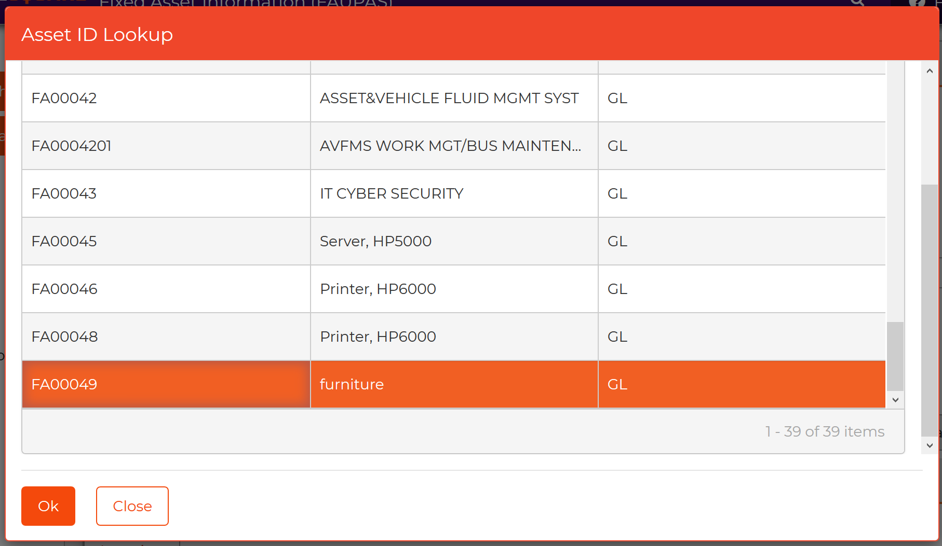
Item # | Test Scenarios | Scenario Description | Pre-Conditions | District Staff Testing | Path (Entry Point) | Verification Steps | Test Date | Expected Results | Test Results | Go-Live Critical?
1 | Search for existing Asset Records | Ability to search and view assets, as needed. |  | Chi | FAUPAS | 1. Access the Fixed Asset screen (FAUPAS) 2. Search in various scenarios as you normally would | 2020-07-15 | Ability to utilize search options, and the search mode returns the expected results | pass | yes
1 | Asset Records | Add and edit fixed asset records within the sytem |  | Chi | FAUPAS | 1. Manually enter Asset on Screen FA00049 2. Enter any additional details like PO, Depreciation, Etc. | 2020-07-15 | Asset entry and updates save correctly and without errors. | pass | yes
2 | Primary Class Defaults | Verify that the system creates the depreciation records automatically with Primary Class defaults (FAUPPC) |  | Chi | FAUPAS | 1. Enter new fixed asset on screen and use Primary Class = 6M 2. Verify depreciation record is inserted via Primary Class Default screen (FAUPPC record) | 2020-07-15 | System automatically creates depreciation record correctly and without errors. | pass | yes
3 | Depreciation Split Accounts | Verify that you can enter multiple depreciation expense accounts. Will be used in depreciation test step. | assets with different grant sources will be split | Chi | FAUPAS | 1. Find an asset to add a second depreciation account 2. Go into Add mode on the depreciation tab and enter a second depreciation record 3. Save the record 4. Alternately for step 2, use Copy and Paste in Depreciation tab from record 1 to 2 | 2020-07-15 | System provides the ability to enter the second depreciation record and saves without errors. | pass | yes
4 | Depreciation Reports | Calculate and review the depreciation report | FA50 | Chi | FADPRS | 1. Run Depreciation Report to calculate depreciation 2. View report output and verify against a month of depreciation for same asset in Production. 3. View any new assets created to ensure it calculates as expected (hand calc) | 2020-07-15 | Depreciation amounts are calculated correctly and assets converted from IFAS are accurate | pass | yes
5 | Post Depreciation to FA and GL | Calculate and distribute depreciation to GL and Fixed Asset module | Item #3 |  | FADPDS | 1. Run depreciation distribution (FADPDS) 2. View output and verify assets and GL are updated correctly 2a. Spot check asset records to ensure the depreciation tab is as you would expect 2b. Verify GL posting on the report output and then verify GL it is posted to the GL via GLIQ |  | Depreciation amounts are posted correctly to update the asset and the general ledger. The split accounts used in Step #3 were posted accordingly.
6 | Compare depreciation results to IFAS 7.9 Production | If possible, compare results against production for monthly depreciation | Data Refresh will be 9/7/20. Final depreciation must be August 9/8 or later and compare results in both systems. | Koa Hills | Report Output | 1. Run depreciation and compare the same month (August) in both Production and Pre-Production/Finance Enterprise. * May be run as of any date, as long as the asset list the same, the system will forecast the depreciation amount for the current month and should have comparable amounts. |  | Verify the Total Purchase Amount and Current Depreciation from the last page of the Depreciation Report (FADPDS).
8 | Dispose Asset | Perform asset disposal in Fixed Asset module |  | Chi | FAUPAS | 1. Search for an active asset in the system 2. Update the asset Disposal tab with at least a disposal date 3. Update any other fields desired. 4. Save the record 5. Click re-load button on asset record. Now, verify the asset status = 'DI' for Disposed FA00049 6. Verify the asset has a disposal record in FAUPTR, if you'd like to see the system disposal history record. | 2020-08-03 | Assets are disposed and 1) records a disposal transaction in FAUPTR and 2) asset status is updated to "DI". | pass | yes
9 | Transfer Asset | Perform asset transfer in Fixed Asset module |  | Chi | FAUPAS | 1. Search for an active asset in the system 2. Update the asset Location tab with at least 3. Update any other fields desired. 4. Save the record 5. See that the asset status is now = 'DI' for Disposed 6. Verify the asset has a disposal record in FAUPTR, if you'd like to see the system transaction history record. | 2020-08-03 | Asset location information is saved and a transfer transaction is created. | pass | no
10 | Import Spreadsheets | System imports are available. Learn and test the following options: |  | Chi | SYUTLF | 1. Perpare the applicable import file via Excel. Make sure the file is saved as .csv 2. Use the SYUTLF menu to import the file 3. Verify the results in the job monitor and the FAUPAS applicable tab | 2020-07-27 | Assets are succesfully imported into the FAUPAS screen without any errors. | in-progress | yes
11 | Assets | Asset import | maximo asset | Chi | SYUTLF | Same as #12 - see attached test data | 2020-07-27 |  | in-progress | yes
12 | Warranty | Warranty information import | maximo warranty | Chi | SYUTLF | Same as #12 - see attached test data | 2020-07-27 |  | in-progress | yes
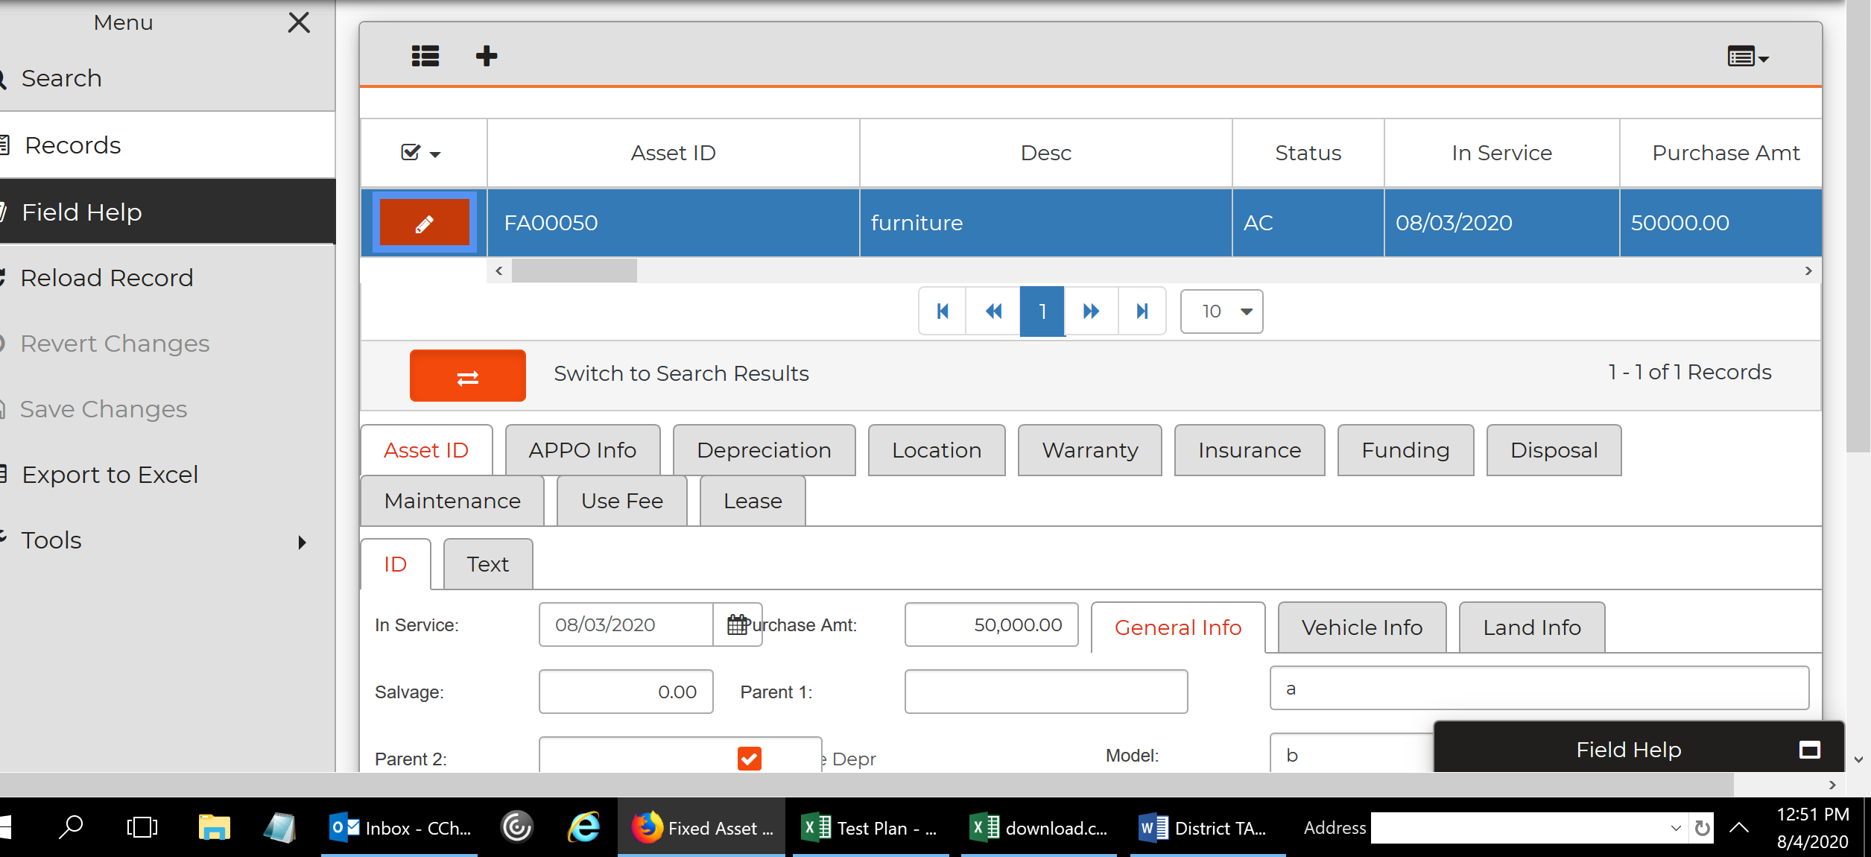
13 | Maintenance | Maintenance information import | maximo work order | Chi | SYUTLF | Same as #12 - see attached test data | 2020-07-27 |  | in-progress | yes
14 | Run Critical FA Reports: | Ran all fixed asset reports. | Reports needed for Regional Transit Capital Inventory and National Transit Database | Chi |  | Verify most used fixed asset reports | 2020-08-03 | Reports are launched sucessfully and return accurate results. FA051, FA100A returned no results. | pass for all except two reports. | yes
14A | FA001 - Asset Listing | Review all fixed asset lists. | Reports needed for Regional Transit Capital Inventory and National Transit Database | Chi | Workspace | Most lists are same as current IFAS results. | 2020-08-03 | FA050, FA050_orig, FA200, FA200A, FA300 passed. | pass except FA051, FA100. | yes
14B | Other CDD Reports | CDD Reporting - | Reports needed for Regional Transit Capital Inventory and National Transit Database | Chi | Workspace | Verify most used CDD reports | 2020-08-03 | CDD reports are launched sucessfully and return accurate results. | not pass. None of the CDD reports returned any results. | yes
15 | Copy Asset Feature | Copy one like asset to another for data entry efficiency | Use FA00049 copied to FA00050 | Chi | FAUPAS Tool | 1. Find an asset to copy on the FAUPAS screen 2. FA00049 | 2020-08-03 | Assets are copied correctly and with the appropriate deprecition field values. | pass | yes

CDD reports
